Most_Important
Honest is best policiy

Behaviour
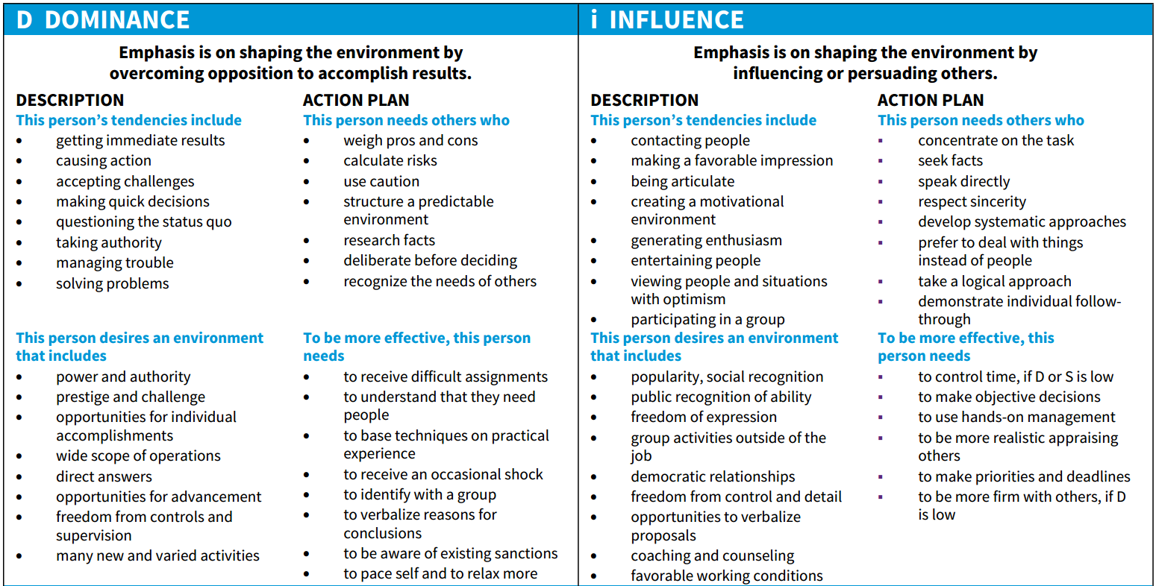

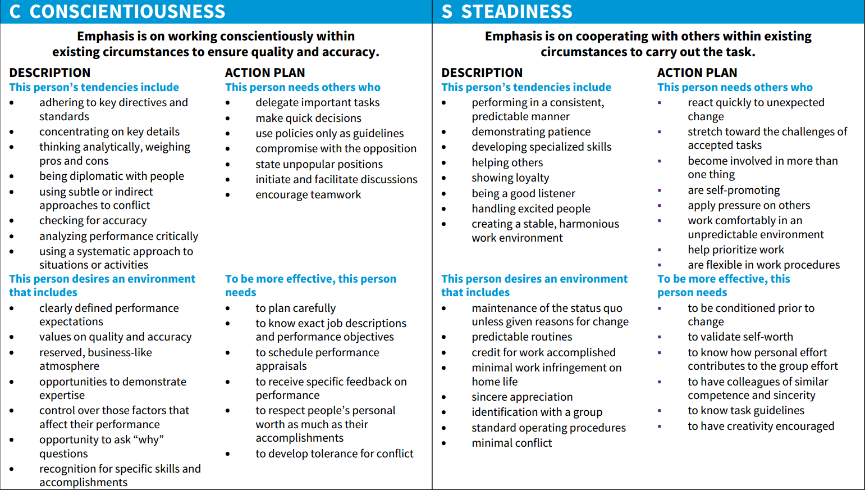

Result
D | I | S | C |  | Profile name
0 | 0 | 0 | 0 | 17 | Undershifted Profiles
 |  |  |  |  | General
 |  |  |  |  | represent the opposite of Overshifted Profiles - DISC graphs with all four factors below 35%. They are said to represent unhappy or depressed individuals with a low self-image, who are unable to define a clear behavioural style for themselves. As in the case of Overshift, Undershifted Profiles almost never appear in practical use of a DISC system.

 |  |  |  |  | Relating to Others
 |  |  |  |  | -

 |  |  |  |  | Common Abilities
 |  |  |  |  | -

 |  |  |  |  | Motivating Factors
 |  |  |  |  | -
Sub-traits
-

